Average
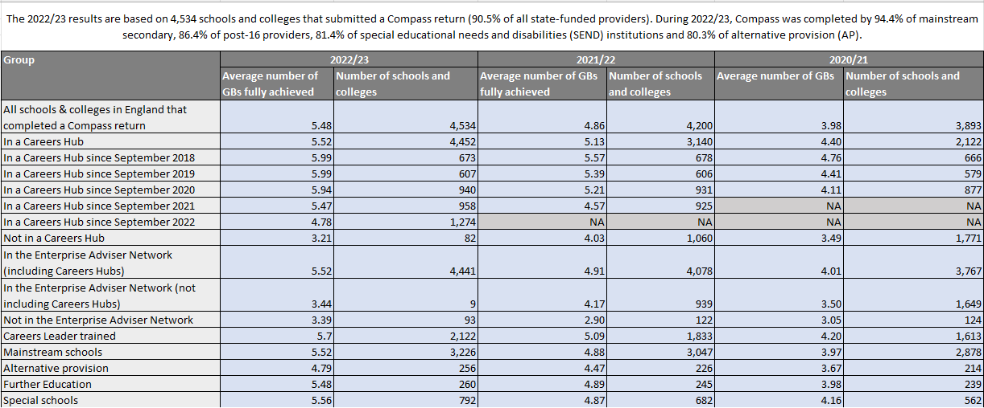

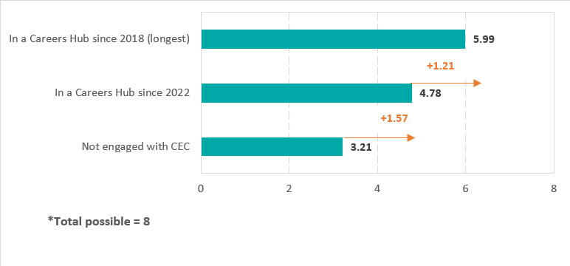

8GBs
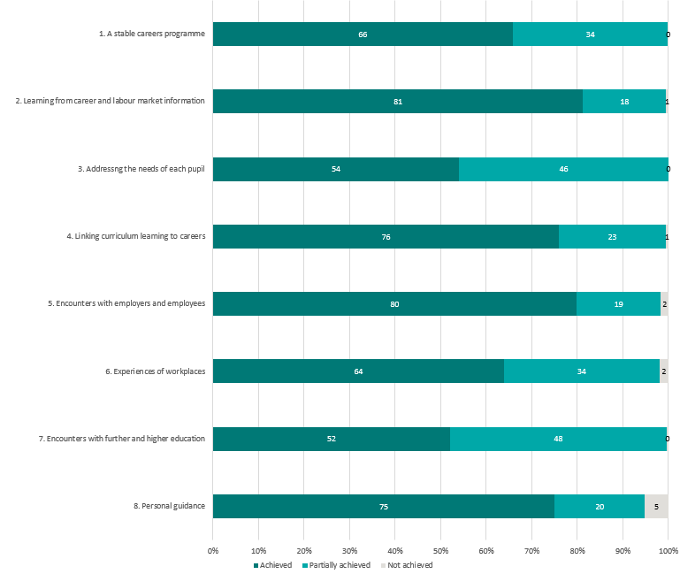
Proportion of institutions fully, partially and not achieving benchmarks, 2022/23 (N=4,534)

Hub
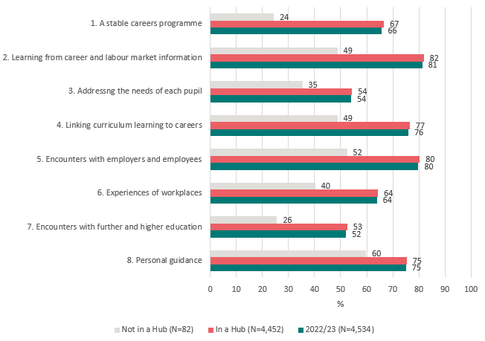
Achievement of Gatsby Benchmarks according to Careers Hub status
N=4,534 schools and colleges in England, 2022/23

Trend
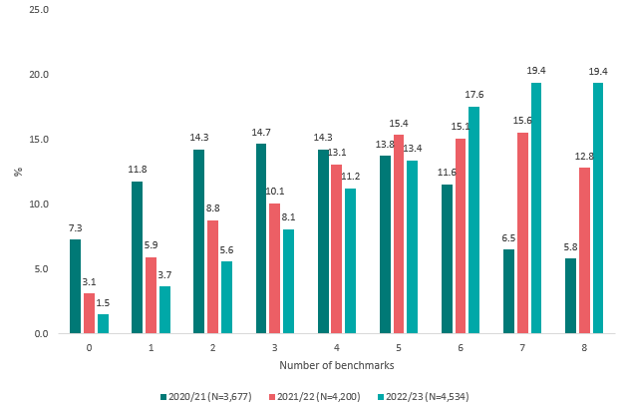
Proportion of institutions fully achieving each benchmark 2020/21 – 2022/23

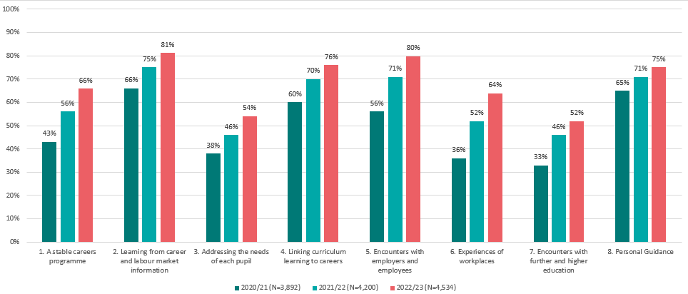

Proportion of all institutions fully achieving, by number of benchmarks, 2020/21-2022/23

Disadvantage longitudinal
Longitudinal analysis according to current levels of disadvantage, 2018/19 - 2022/23

Analysis based on the 2,426 mainstream schools that completed Compass both in 2018/19 and 2022/23 and had FSM data. % FSM quartiles based on quartile split of Compass data as at end of July 2023.

 |  |  | Q1 | %FSM<13.2%
 |  |  | Q2 | %FSM>=13.2% and <20.7%
 |  |  | Q3 | %FSM>=20.7% and <30.6%
 |  |  | Q4 | %FSM>=30.6%

Increase in average number of Gatsby Benchmarks achieved by mainstream schools by FSM quartile, 2018/19 - 2022/23
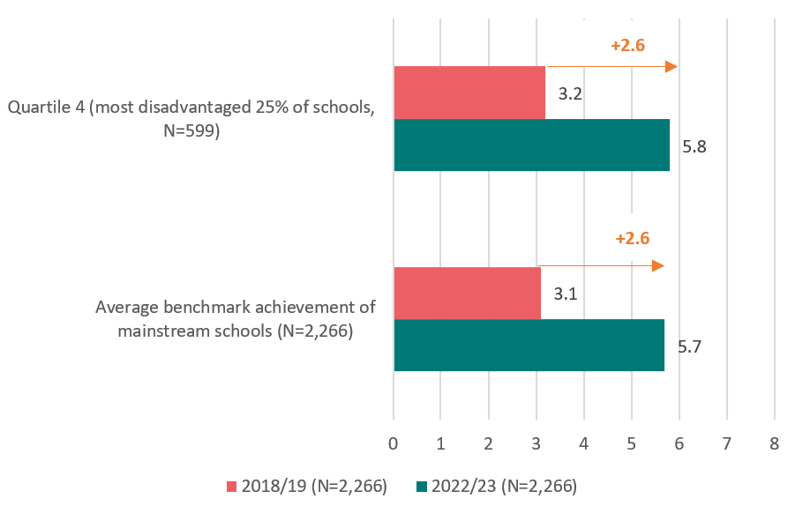
 | Average benchmark achievement of mainstream schools (N=2,266) | Quartile 4 (most disadvantaged 25% of schools, N=599)
2022/23 (N=2,266) | 5.7 | 5.8
2018/19 (N=2,266) | 3.1 | 3.2

 | 2.6 | 2.6

Disadvantage
Proportion of mainstream schools fully achieving each Gatsby Benchmark by disadvantage quartile, 2022/23
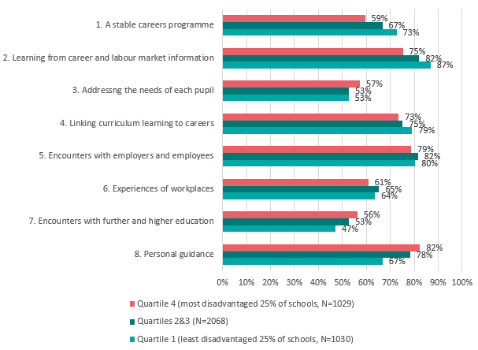

Average number of benchmarks fully achieved by mainstream schools by disadvantage quartile, 2022/23

