GB1
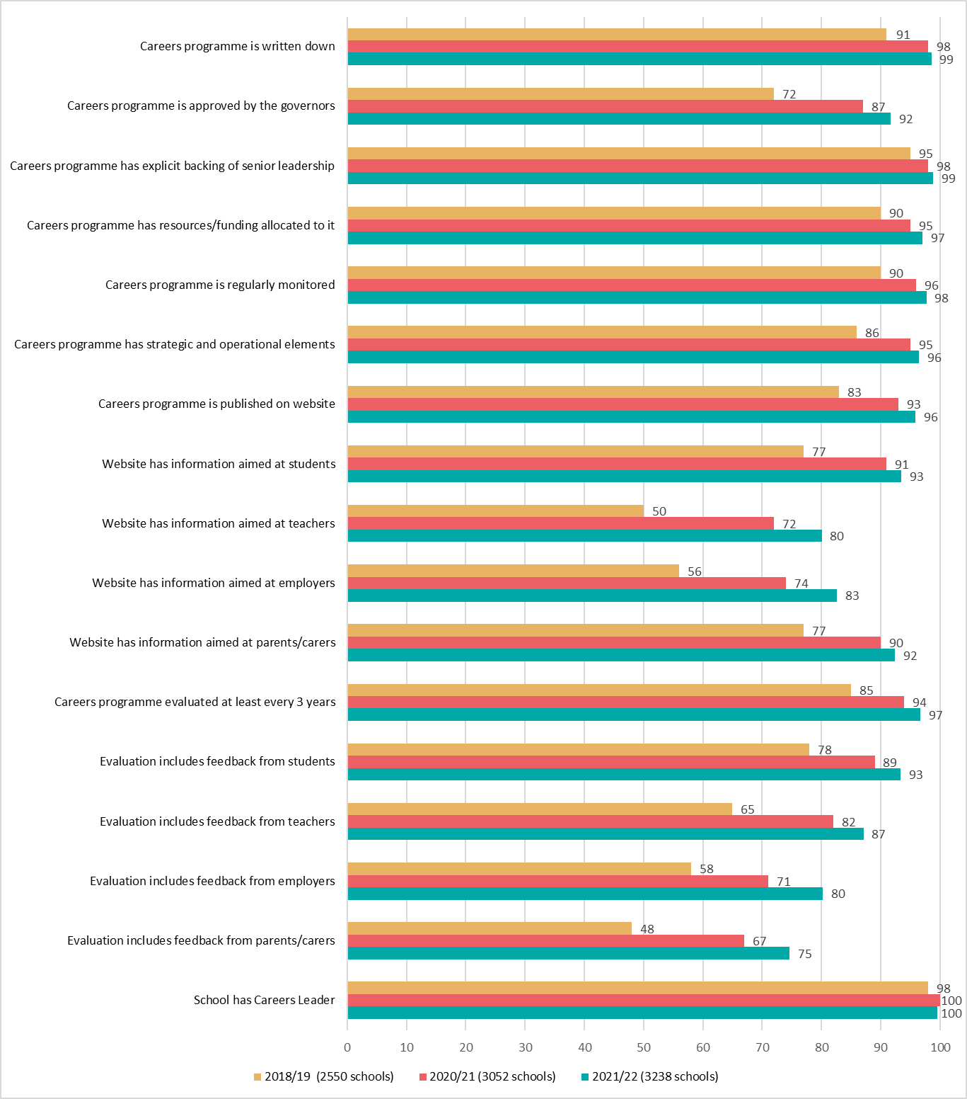
Gatsby Benchmark 1 - A stable careers programme
Achievement of Gatsby Benchmark 1 sub benchmarks

Bars show percentage of schools achieving each sub benchmark in 2018/19, 2020/21 and 2021/22

GB2
Gatsby Benchmark 2 - Learning from career and labour market information
Achievement of Gatsby Benchmark 2 sub benchmarks

Bars show percentage of schools achieving each sub benchmark in 2018/19, 2020/21 and 2021/22

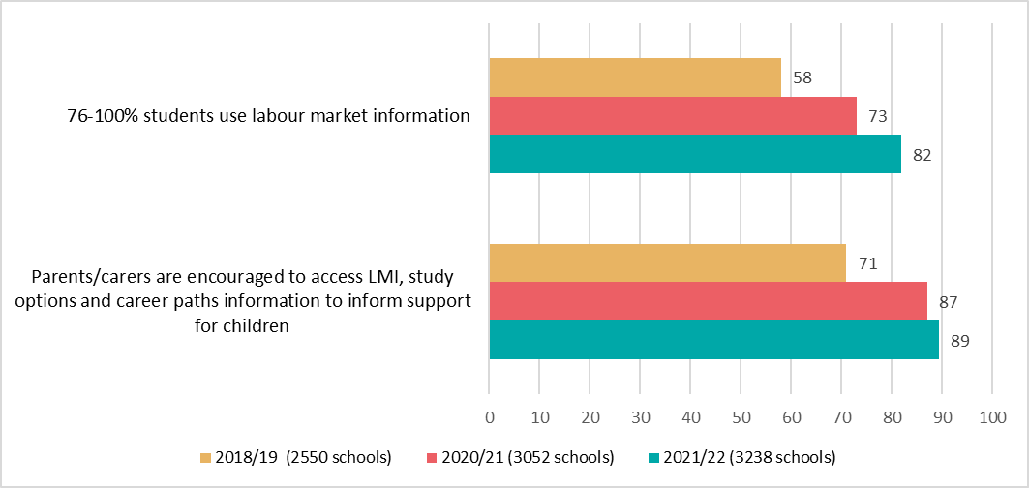

Approximate proportion of students who have accessed and used up-to-date information about career paths and labour market in 2021/22
Numbers in the bars indicate percentage of schools (N=3,238)

GB3
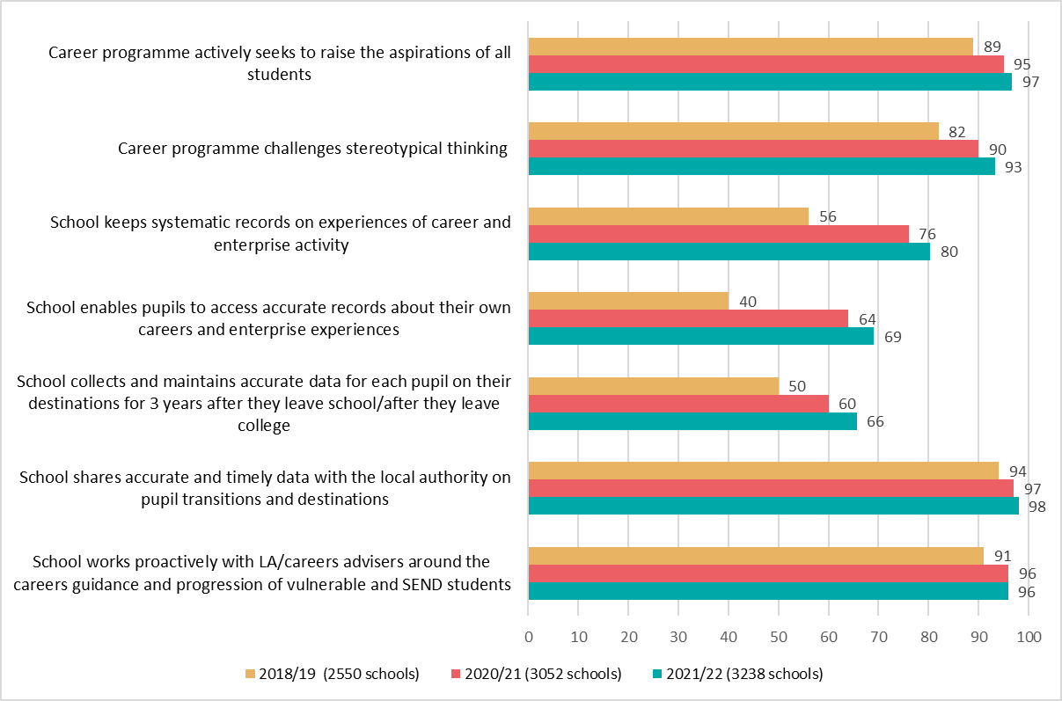
Gatsby Benchmark 3 - Addressing the needs of each pupil
Achievement of Gatsby Benchmark 3 sub benchmarks

Bars show percentage of schools achieving each sub benchmark in 2018/19, 2020/21 and 2021/22

GB4
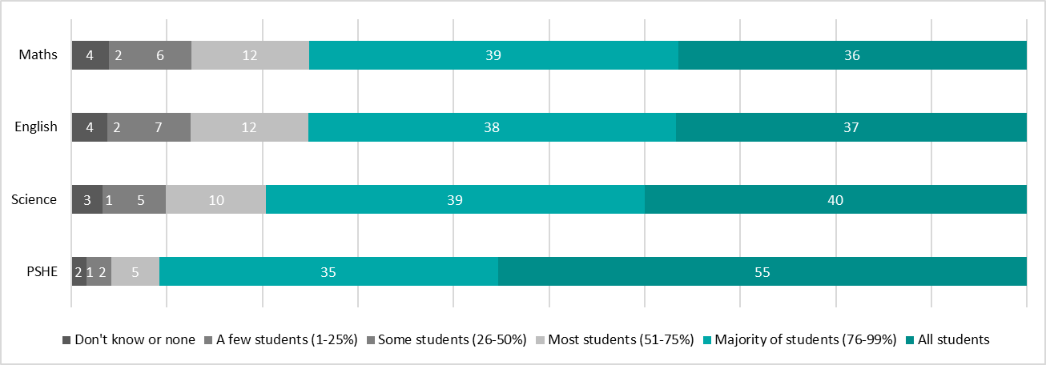
Gatsby Benchmark 4 - Linking curriculum learning to careers
Achievement of Gatsby Benchmark 4 sub benchmarks

Bars show percentage of schools achieving each sub benchmark in 2018/19, 2020/21 and 2021/22
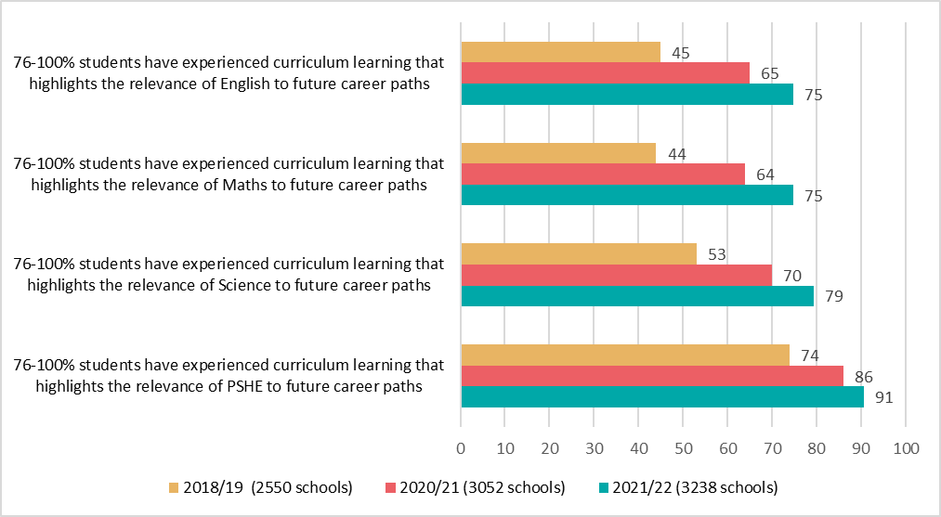

Approximate proportion of students who have experienced curriculum learning that highlights the relevance of subjects to future career paths in 2021/22
Numbers in the bars indicate percentage of schools (N=3,238)

GB6
Gatsby Benchmark 6 - Experiences of workplaces
Achievement of Gatsby Benchmark 6 sub benchmarks

Bars show percentage of schools where 76-100% of students have experiences of the workplace
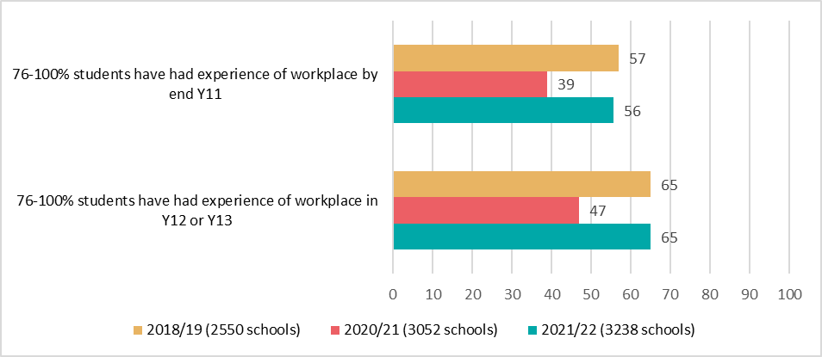

Proportion of students who have had experiences of the workplace in 2021/22
Numbers in the bars indicate percentage of schools (N=3,238)

GB7
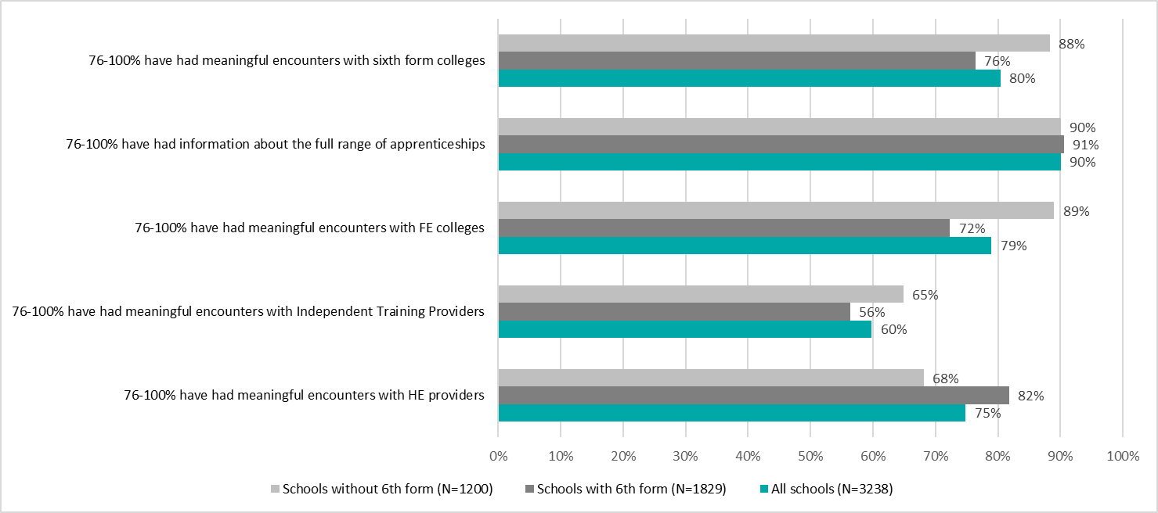
Gatsby Benchmark 7 - Encounters with further and higher education
Achievement of Gatsby Benchmark 7 sub benchmarks

Bars show percentage of schools achieving each sub benchmark in 2018/19, 2020/21 and 2021/22
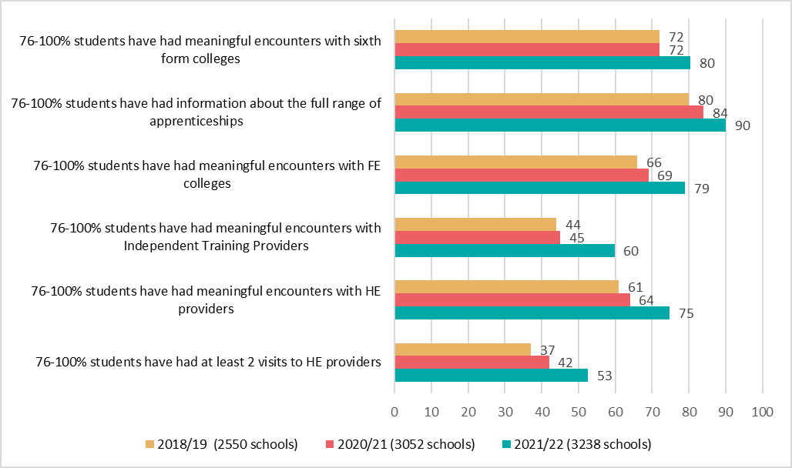

Proportion of students who have had meaningful encounters with education providers in 2021/22
Numbers in the bars indicate percentage of schools (N=3,238)
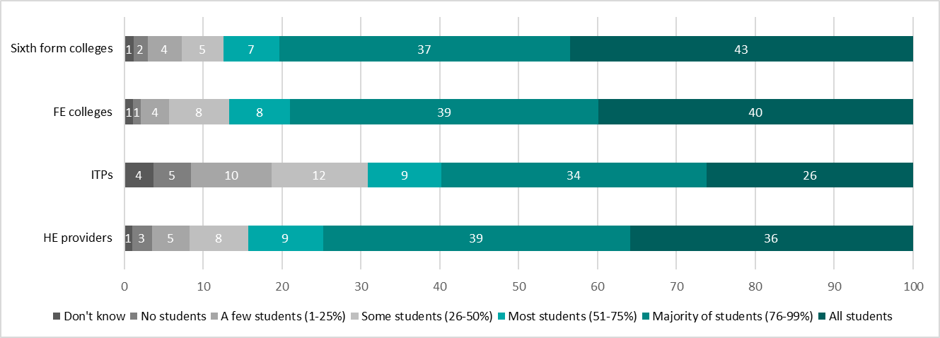

Proportion of students who have had information about the full range of apprenticeships in 2021/22
Numbers in the bars indicate percentage of schools (N=3,238)

Proportion of students who have had at least two visits to a university in 2021/22
Numbers in the bars indicate percentage of schools (N=1728)

Achievement of sub benchmarks, comparing schools with and without sixth forms in 2021/22
Note: 209 schools do not have information about sixth forms

GB8
Gatsby Benchmark 8 - Personal guidance
Achievement of Gatsby Benchmark 8 sub benchmarks

Bars show percentage of schools where 76-100% of students have had an interview with a careers adviser in 2018/19, 2020/21 and 2021/22
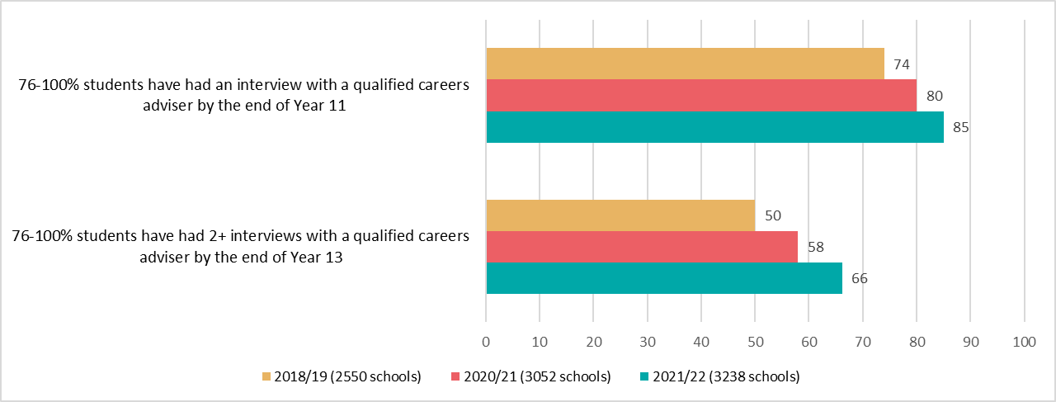

Proportion of students who have had interviews with careers advisers in 2021/22
Numbers in the bars indicate percentage of schools (N=3,238)

Disadvantage&GBs
Achievement of Gatsby Benchmarks according to disadvantage (FSM quartile)
Based on 3,214 mainstream secondary schools who completed Compass and had FSM data in 2021/22
FSM quartiles based on all state-funded schools in DfE data (including those not completing Compass)

 | Quartile 1 (least disadvantaged 25% of schools, N=765) | Quartiles 2&3 (N=1530) | Quartile 4 (most disadvantaged 25% of schools, N=919)
8. Personal guidance | 0.63 | 0.74 | 0.85
7. Encounters with further and higher education | 0.37 | 0.42 | 0.48
6. Experiences of workplaces | 0.51 | 0.5 | 0.48
5. Encounters with employers and employees | 0.7 | 0.71 | 0.73
4. Linking curriculum learning to careers | 0.71 | 0.69 | 0.69
3. Addressing the needs of each pupil | 0.43 | 0.41 | 0.47
2. Learning from career and labour market information | 0.79 | 0.77 | 0.73
1. A stable careers programme | 0.6 | 0.59 | 0.57

Group | Average number of GBs fully achieved 2021/22 | Number of schools
Quartile 1 (least disadvantaged 25% of schools) | 4.7 | 765
Quartiles 2 and 3 | 4.8 | 1,530
Quartile 4 (most disadvantaged 25% of schools) | 5.0 | 919

