8GBs
Achievement of each Gatsby Benchmark
N=4,200 schools and colleges in England, 2021/22

 |  | Achieved | Partially achieved | Not achieved
 | 8. Personal guidance | 71% | 23% | 6%
 | 7. Encounters with further and higher education | 46% | 54% | 1%
 | 6. Experiences of workplaces | 52% | 45% | 4%
 | 5. Encounters with employers and employees | 71% | 27% | 3%
 | 4. Linking curriculum learning to careers | 70% | 30% | 1%
 | 3. Addressing the needs of each pupil | 46% | 54% | 0%
 | 2. Learning from career and labour market information | 75% | 25% | 1%
 | 1. A stable careers programme | 56% | 44% | 0%

Hub
Achievement of Gatsby Benchmarks according to Careers Hub status
N=4,200 schools and colleges in England, 2021/22

 | 2021/22 (N=4200) | In a Hub (N=3140) | Not in Hub (N=1060)
8. Personal guidance | 71% | 75% | 61%
7. Encounters with further and higher education | 46% | 50% | 33%
6. Experiences of workplaces | 52% | 54% | 46%
5. Encounters with employers and employees | 71% | 74% | 61%
4. Linking curriculum learning to careers | 70% | 73% | 61%
3. Addressing the needs of each pupil | 46% | 48% | 39%
2. Learning from career and labour market information | 75% | 79% | 63%
1. A stable careers programme | 56% | 62% | 39%

Trend
Achievement of the Gatsby Benchmarks 2018/19-2021/22
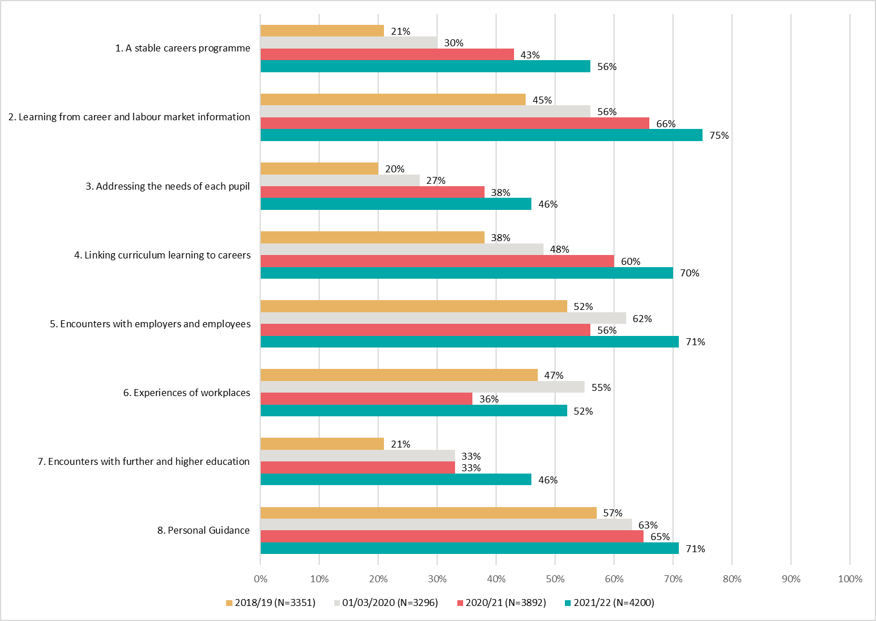

 |  | 2021/22 (N=4200) | 2020/21 (N=3892) | 01/03/2020 (N=3296) | 2018/19 (N=3351)
8. Personal Guidance | 8. Personal Guidance | 71% | 65% | 63% | 57%
7. Encounters with further and higher education | 7. Encounters with further and higher education | 46% | 33% | 33% | 21%
6. Experiences of workplaces | 6. Experiences of workplaces | 52% | 36% | 55% | 47%
5. Encounters with employers and employees | 5. Encounters with employers and employees | 71% | 56% | 62% | 52%
4. Linking curriculum learning to careers | 4. Linking curriculum learning to careers | 70% | 60% | 48% | 38%
3. Addressing the needs of each pupil | 3. Addressing the needs of each pupil | 46% | 38% | 27% | 20%
2. Learning from career and labour market information | 2. Learning from career and labour market information | 75% | 66% | 56% | 45%
1. A stable careers programme | 1. A stable careers programme | 56% | 43% | 30% | 21%

Number | Number | 4200 | 3892 | 3296 | 3351

Disadvantage longitudinal
Longitudinal analysis 2018/19 - 2021/22 according to current levels of disadvantage

Analysis based on the 2,259 mainstream schools that completed Compass in 2018/19 and 2021/22 and have FSM data.
%FSM quartiles based on DfE data for all mainstream secondary schools from July 2022.
 | Q1 | %FSM<13.2%
 | Q2 | %FSM>=13.2% and <20.8%
 | Q3 | %FSM>=13.2% and <30.7%
 | Q4 | %FSM>=30.7%

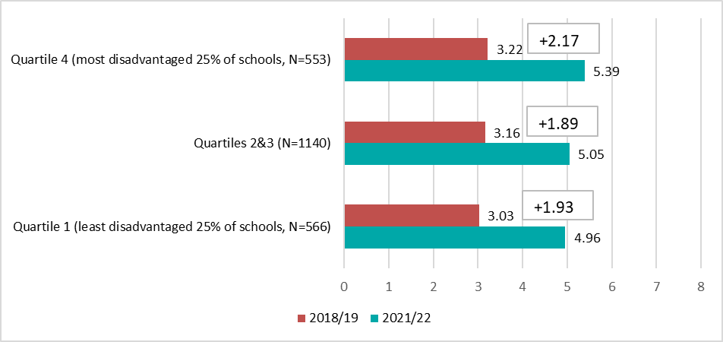
Increase in average number of Gatsby Benchmarks achieved by mainstream schools 2018/19-2021/22 by FSM quartile
 | Quartile 1 (least disadvantaged 25% of schools, N=566) | Quartiles 2&3 (N=1140) | Quartile 4 (most disadvantaged 25% of schools, N=553)
2021/22 | 4.96 | 5.05 | 5.39
2018/19 | 3.03 | 3.16 | 3.22

Disadvantage
Achievement of Gatsby Benchmarks according to disadvantage (FSM quartile)
Based on 3,214 mainstream secondary schools who completed Compass and had FSM data in 2021/22
FSM quartiles based on all state-funded schools in DfE data (including those not completing Compass)

 | Quartile 1 (least disadvantaged 25% of schools, N=765) | Quartiles 2&3 (N=1530) | Quartile 4 (most disadvantaged 25% of schools, N=919)
8. Personal guidance | 0.63 | 0.74 | 0.85
7. Encounters with further and higher education | 0.37 | 0.42 | 0.48
6. Experiences of workplaces | 0.51 | 0.5 | 0.48
5. Encounters with employers and employees | 0.7 | 0.71 | 0.73
4. Linking curriculum learning to careers | 0.71 | 0.69 | 0.69
3. Addressing the needs of each pupil | 0.43 | 0.41 | 0.47
2. Learning from career and labour market information | 0.79 | 0.77 | 0.73
1. A stable careers programme | 0.6 | 0.59 | 0.57

Group | Average number of GBs fully achieved 2021/22 | Number of schools
Quartile 1 (least disadvantaged 25% of schools) | 4.7 | 765
Quartiles 2 and 3 | 4.8 | 1,530
Quartile 4 (most disadvantaged 25% of schools) | 5.0 | 919

