GB1
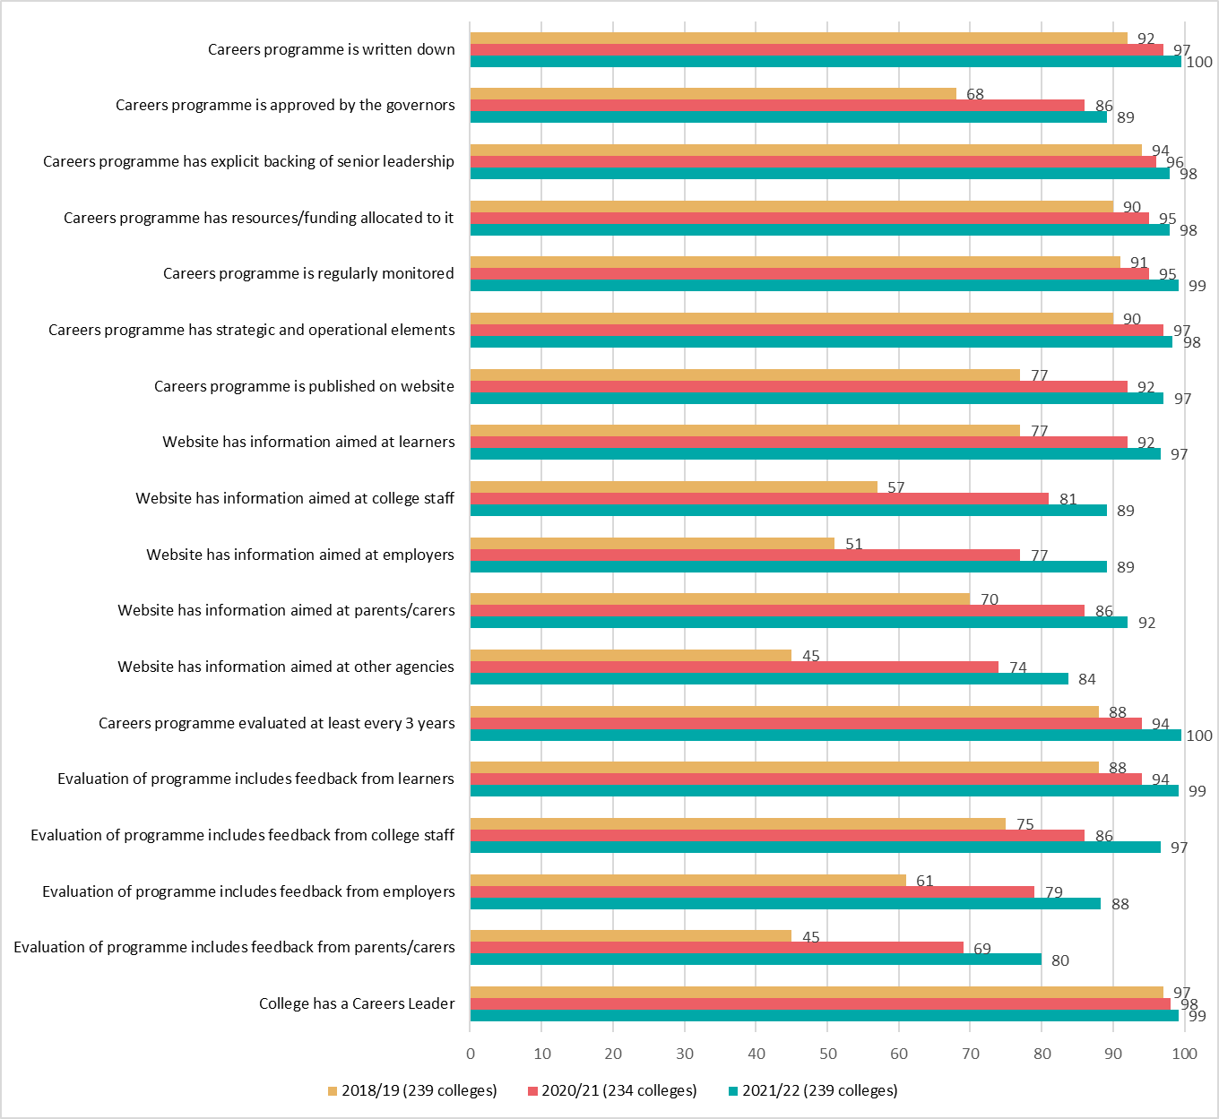
Gatsby Benchmark 1 - A stable careers programme
Achievement of Gatsby Benchmark 1 sub benchmarks

Bars show percentage of colleges achieving each sub benchmark in between 2018/19 and 2021/22

GB1type
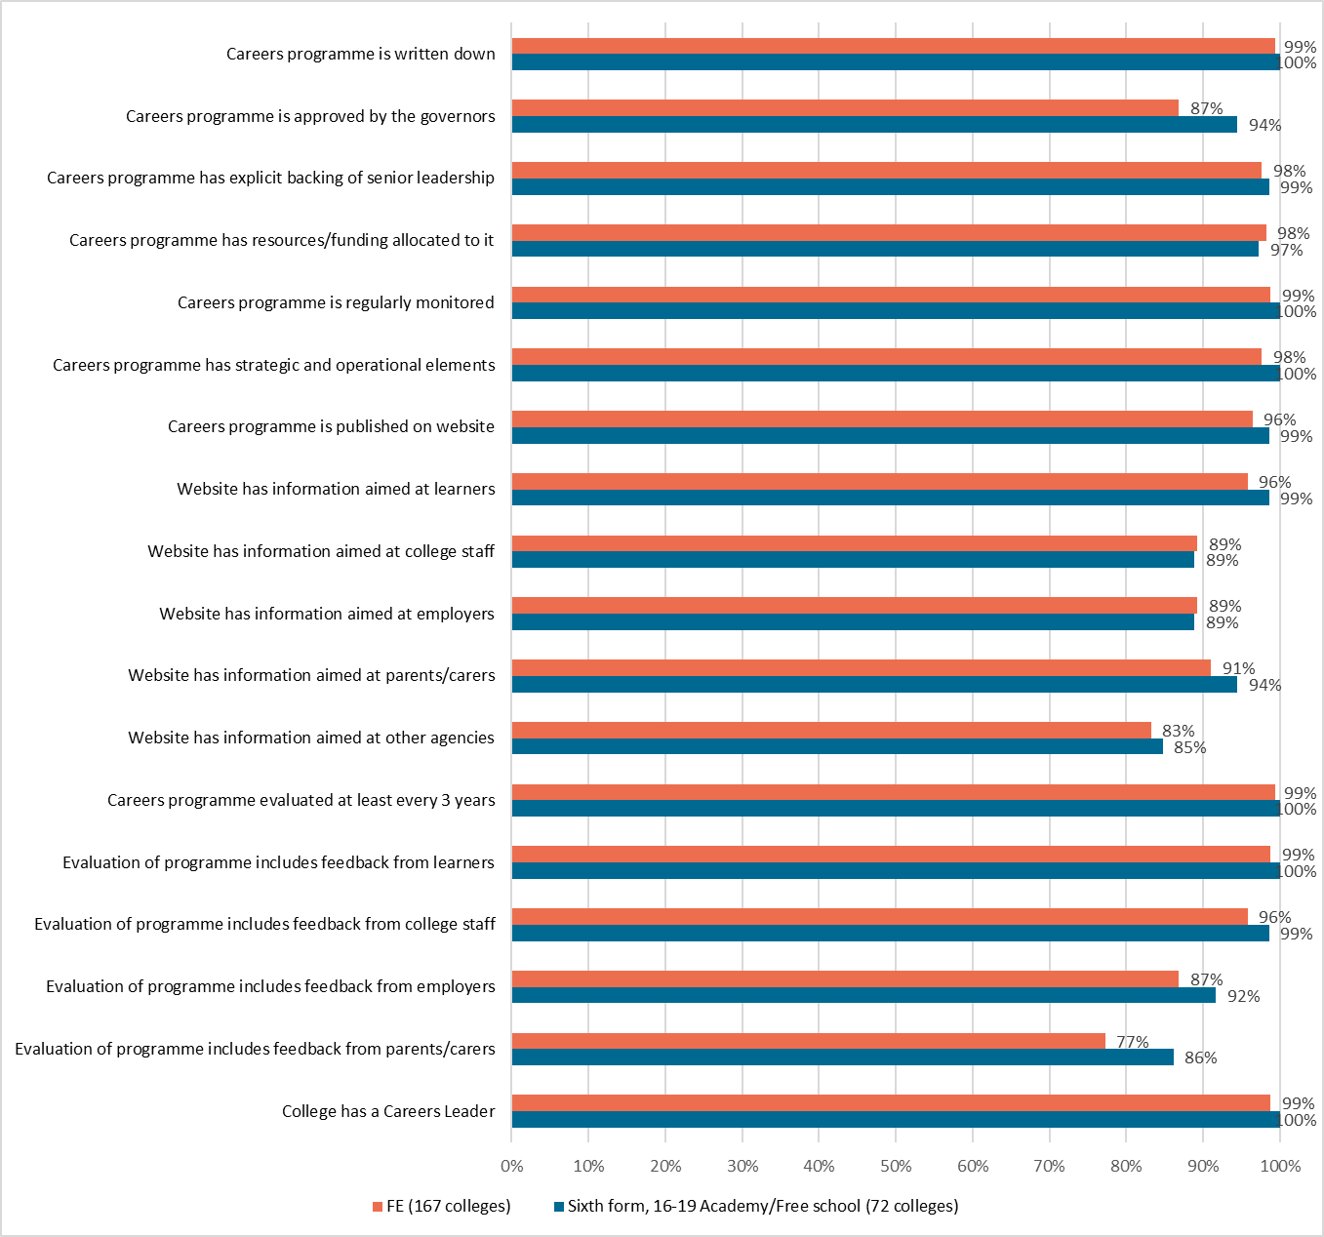
Gatsby Benchmark 1 - A stable careers programme
Achievement of Gatsby Benchmark 1 sub benchmarks

Bars show percentage of colleges achieving each sub benchmark by college type

GB2
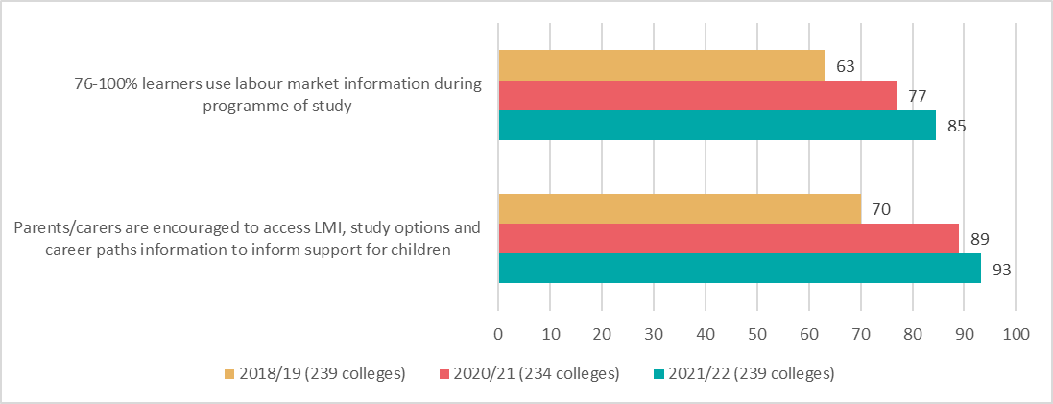
Gatsby Benchmark 2 - Learning from career and labour market information
Achievement of Gatsby Benchmark 2 sub benchmarks

Bars show percentage of colleges achieving each sub benchmark in between 2018/19 and 2021/22

GB3
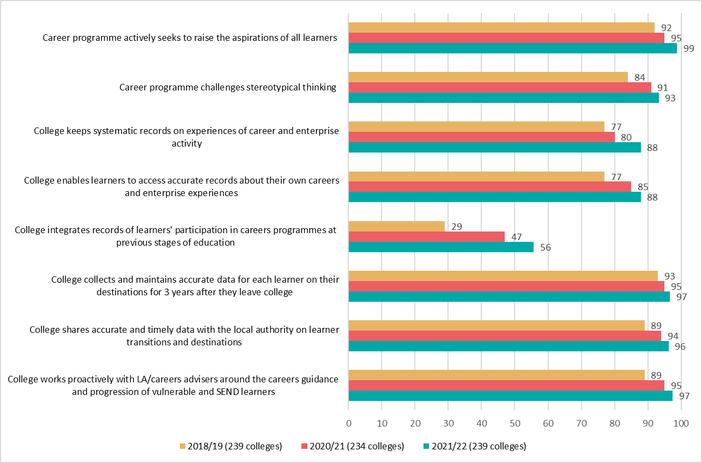
Gatsby Benchmark 3 - Addressing the needs of each learner
Achievement of Gatsby Benchmark 3 sub benchmarks

Bars show percentage of colleges achieving each sub benchmark in between 2018/19 and 2021/22

GB3type
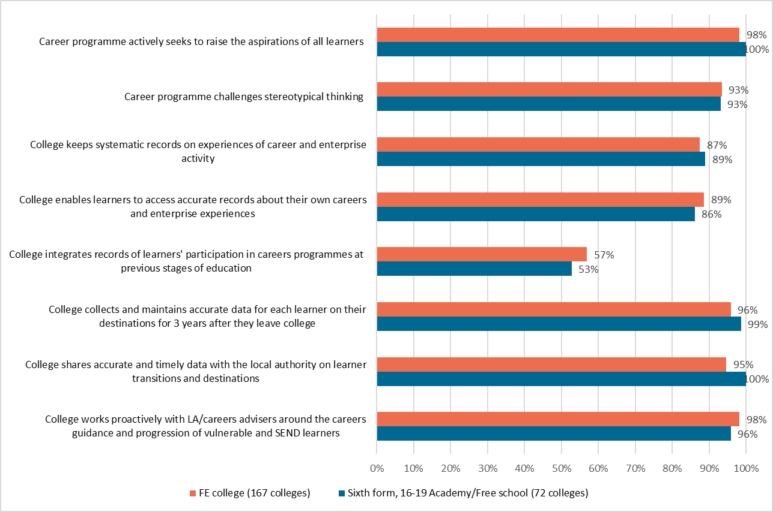
Gatsby Benchmark 3 - Addressing the needs of each learner
Achievement of Gatsby Benchmark 3 sub benchmarks

Bars show percentage of colleges achieving each sub benchmark by college type

GB4
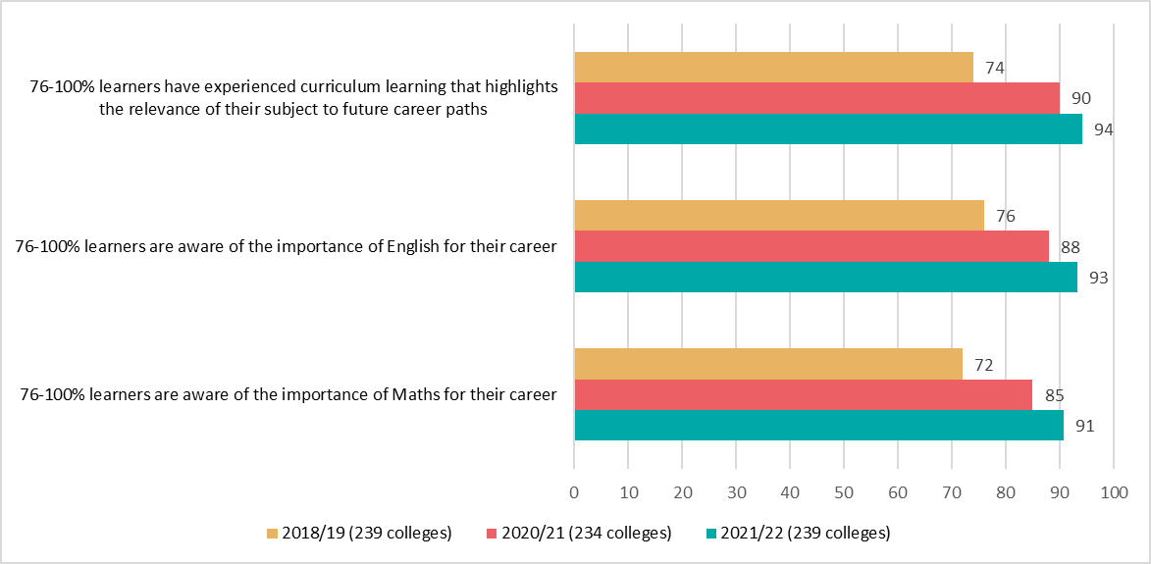
Gatsby Benchmark 4 - Linking curriculum learning to careers
Achievement of Gatsby Benchmark 4 sub benchmarks

Bars show percentage of colleges achieving each sub benchmark in between 2018/19 and 2021/22

GB4type
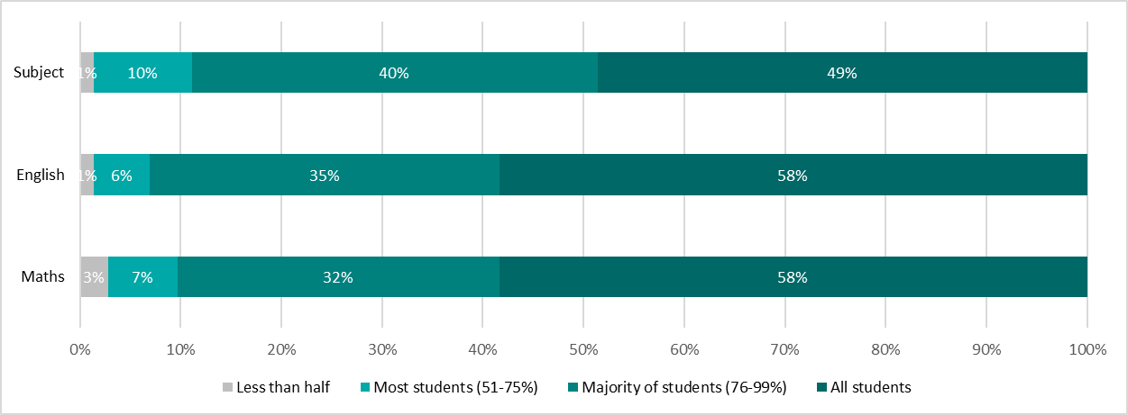
Gatsby Benchmark 4 - Linking curriculum learning to careers
Achievement of Gatsby Benchmark 4 sub benchmarks

Approximate proportion of learners who experience curriculum learning that highlights the relevance of their subject to future career paths and who are aware of the importance of English and Maths for their career
Percentages in the bars indicate proportion of colleges

FE college
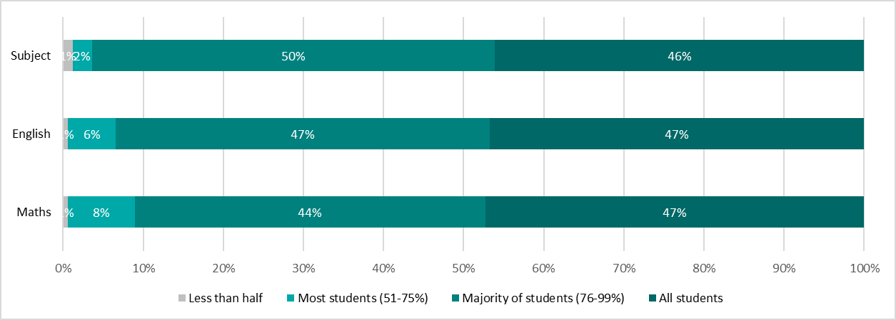

Sixth form, 16-19 Academy/Free School

GB5
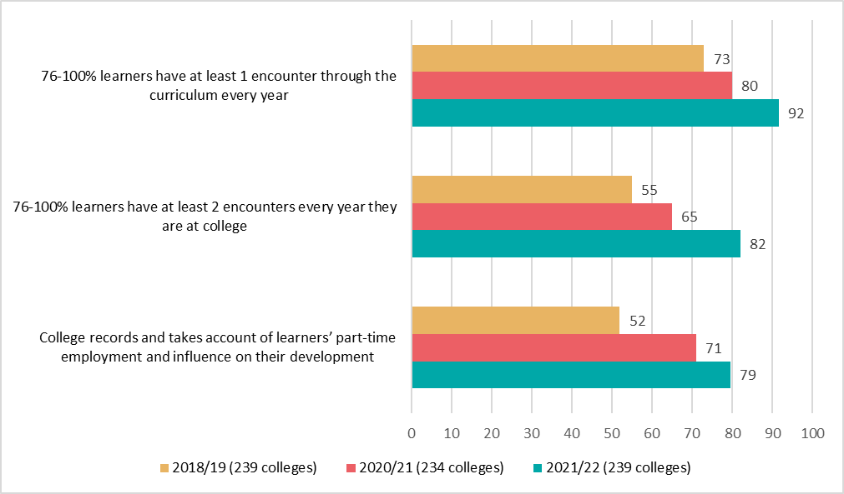
Gatsby Benchmark 5 - Encounters with employers and employees
Achievement of Gatsby Benchmark 5 sub benchmarks

Bars show percentage of colleges achieving each sub benchmark in between 2018/19 and 2021/22

GB6
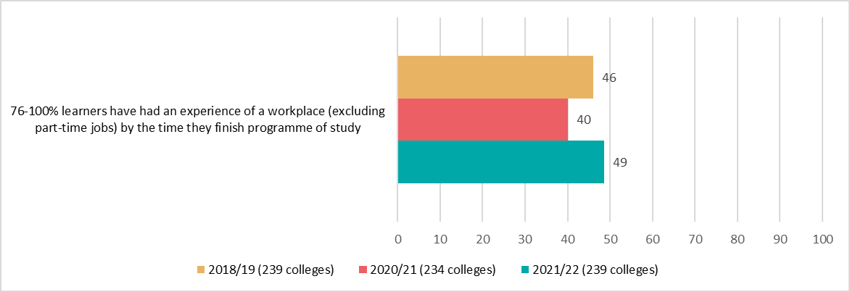
Gatsby Benchmark 6 - Experiences of workplaces
Achievement of Gatsby Benchmark 6 sub benchmarks

Proportion of learners who have had an experience of the workplace (excluding part-time jobs) by the time they finish their programme of study between 2018/19 and 2021/22
Bars indicate percentage of colleges

GB6type
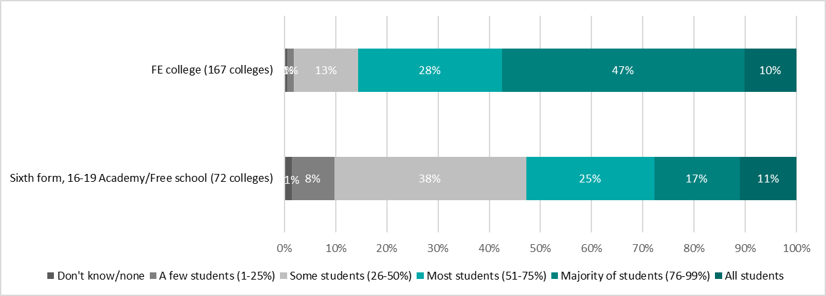
Gatsby Benchmark 6 - Experiences of workplaces
Achievement of Gatsby Benchmark 6 sub benchmarks

Proportion of learners who have had an experience of the workplace (excluding part-time jobs) by the time they finish their programme of study by college type
Percentages in the bars indicate proportion of colleges

GB7
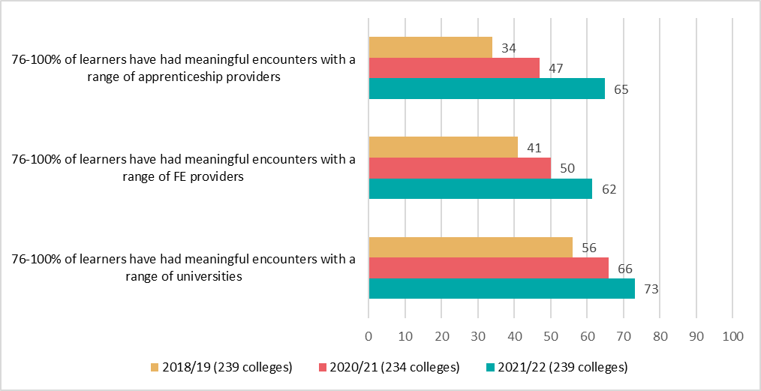
Gatsby Benchmark 7 - Encounters with further and higher education
Achievement of Gatsby Benchmark 7 sub benchmarks

Bars show percentage of colleges achieving each sub benchmark in between 2018/19 and 2021/22

GB7type
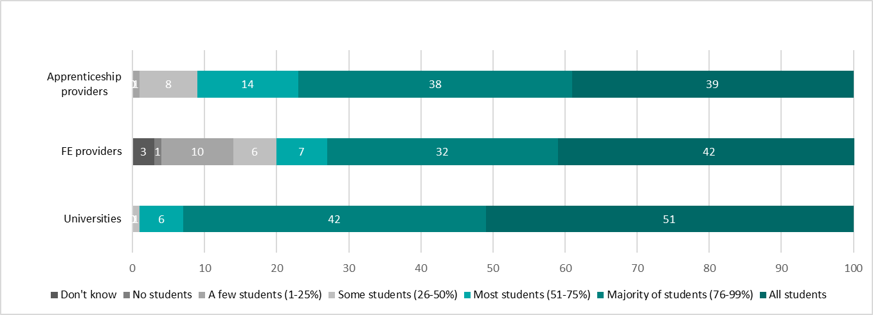
Gatsby Benchmark 7 - Encounters with further and higher education
Achievement of Gatsby Benchmark 7 sub benchmarks

Proportion of students who have had meaningful encounters with a range of providers
Percentages in the bars indicate proportion of colleges

FE college
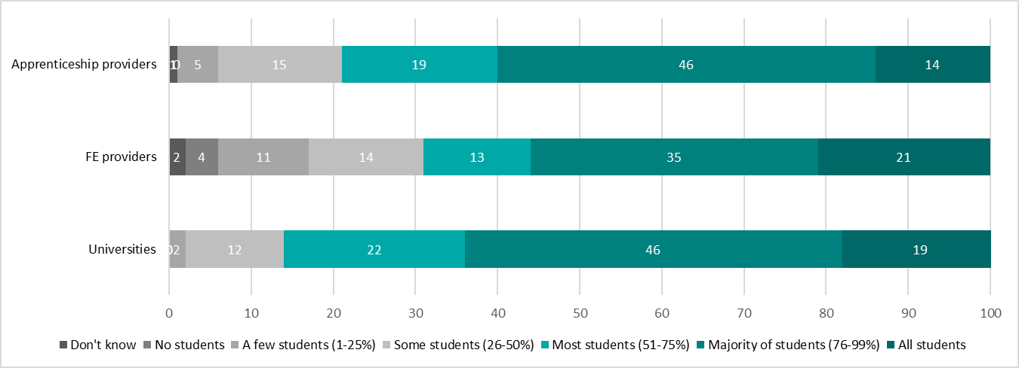

Sixth form, 16-19 Academy/Free School

