GB1
Gatsby Benchmark 1 - A stable careers programme
Achievement of Gatsby Benchmark 1 sub benchmarks

Bars show proportion of special schools/AP achieving each sub benchmark (N=550)

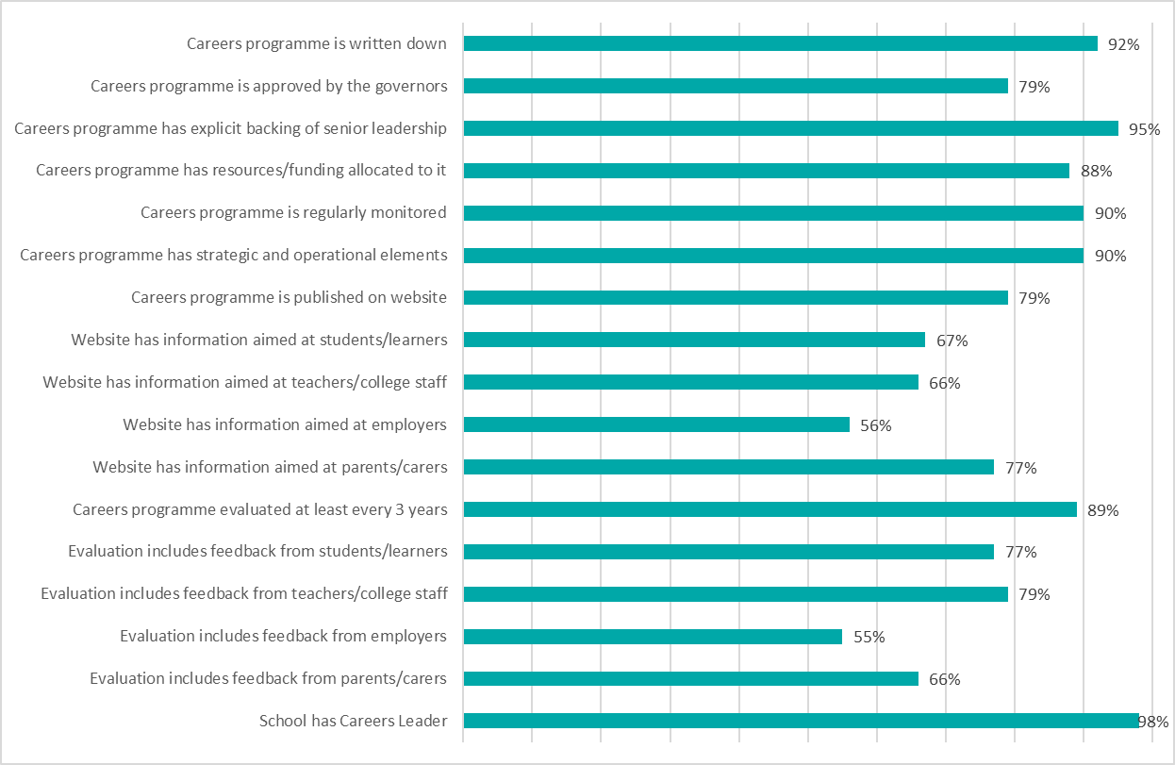

GB2
Gatsby Benchmark 2 - Learning from career and labour market information
Achievement of Gatsby Benchmark 2 sub benchmarks

Approximate proportion of students who have been provided with or been supported to use up-to-date information about appropriate career or progression paths and the labour market (this may include awareness of the 'local offer')
Percentages in the bars indicate proportion of special schools/AP (N=550)

Parents/carers are encouraged to access LMI, study options and career paths information to inform support for children | 0.88

GB3
Gatsby Benchmark 3 - Addressing the needs of each pupil
Achievement of Gatsby Benchmark 3 sub benchmarks

Bars show proportion of special schools/AP achieving each sub benchmark (N=550)

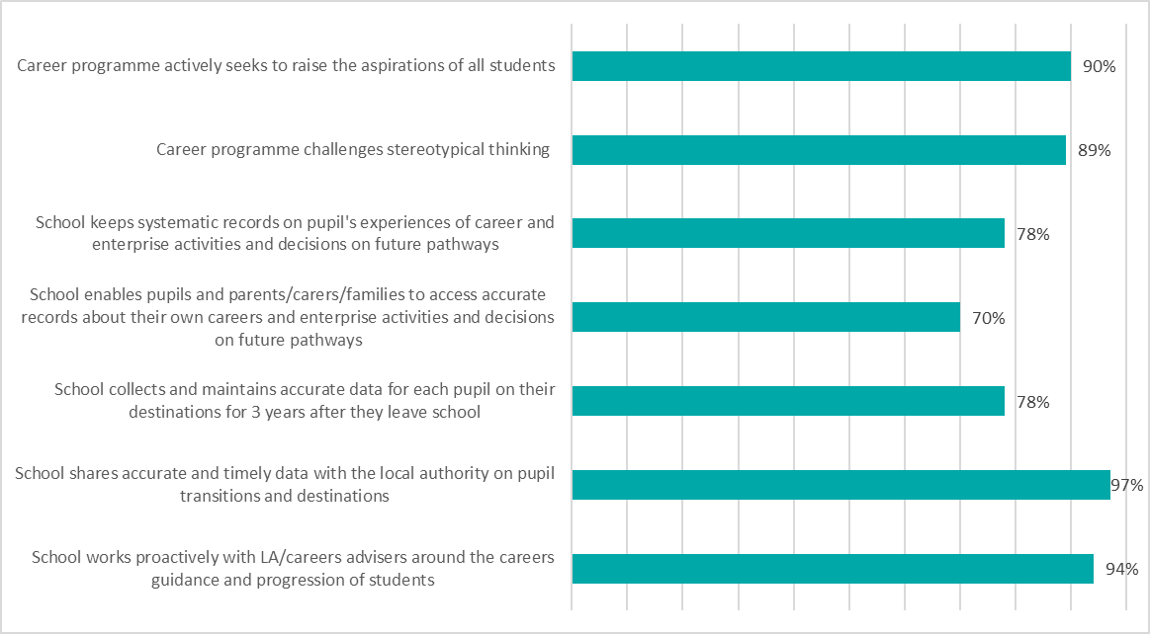

GB4
Gatsby Benchmark 4 - Linking curriculum learning to careers
Achievement of Gatsby Benchmark 4 sub benchmarks

Approximate proportion of students who have experienced person-centred curriculum learning that highlights the relevance of subjects and programmes to future career or progression paths
Percentages in the bars indicate proportion of special schools/AP (N=550)

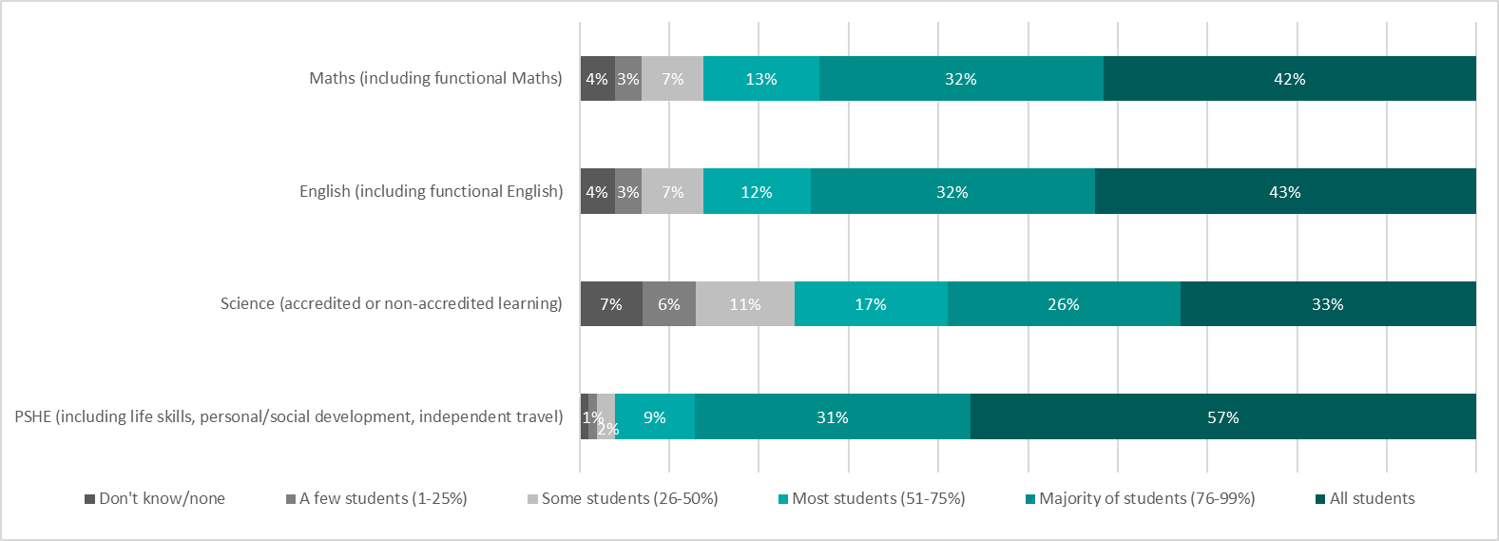

GB7
Gatsby Benchmark 7 - Encounters with further and higher education
Achievement of Gatsby Benchmark 7 sub benchmarks

Proportion of students (for whom it is appropriate) who have been supported to have meaningful encounters with education providers by the time they leave school
Percentages in the bars indicate proportion of special schools/AP (N=550)
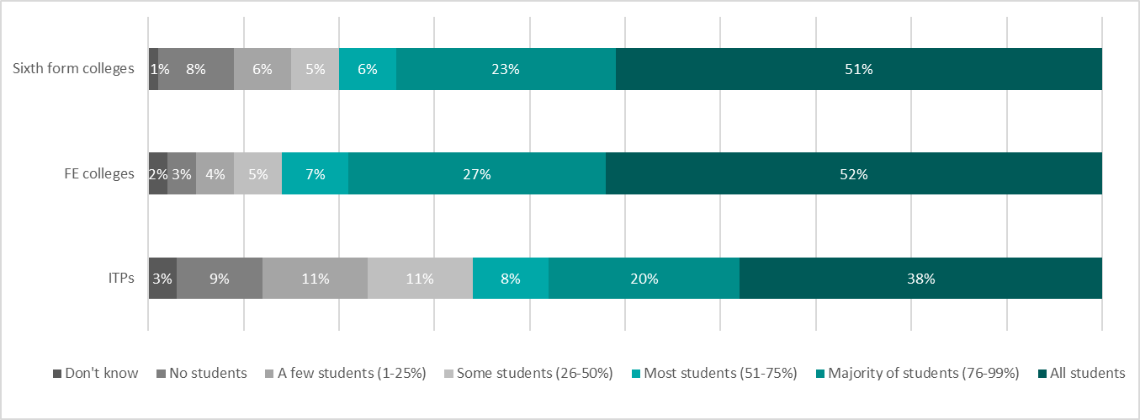

Proportion of students (for whom it is appropriate) who have been supported to have information about the full range of supported internships, internships, traineeships and supported or inclusive apprenticeships, apprenticeships including higher level apprenticeships
Percentages in the bars indicate proportion of special schools/AP (N=550)

