GB1
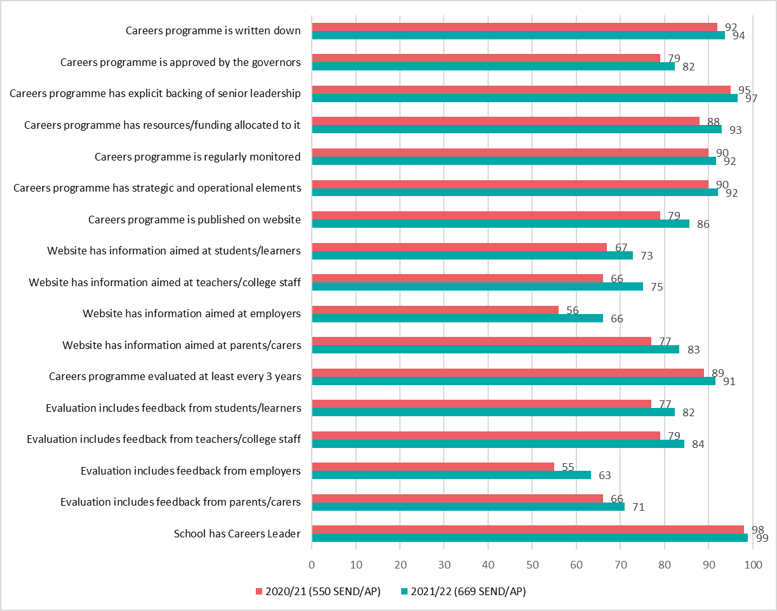
Gatsby Benchmark 1 - A stable careers programme
Achievement of Gatsby Benchmark 1 sub benchmarks

Bars show percentage of special schools/Alternative Provision achieving each sub benchmark in 2020/21 and 2021/22

GB3
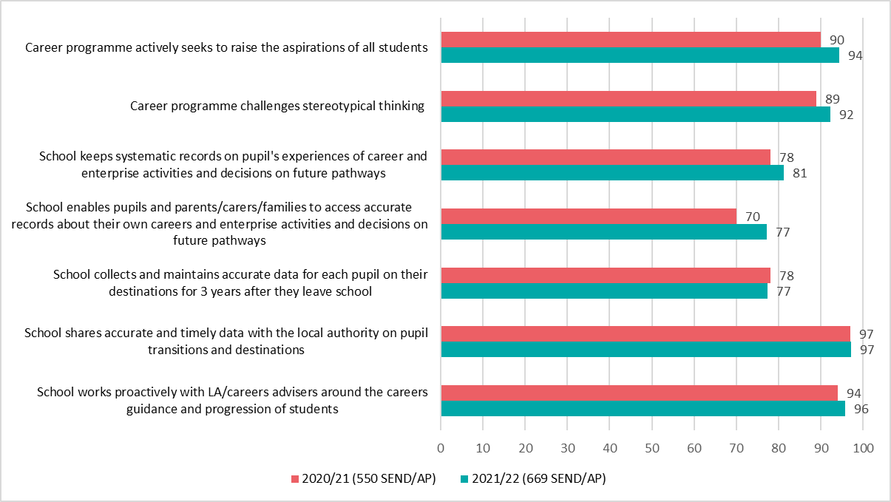
Gatsby Benchmark 3 - Addressing the needs of each pupil
Achievement of Gatsby Benchmark 3 sub benchmarks

Bars show percentage of special schools/AP achieving each sub benchmark in 2020/21 and 2021/22

GB4
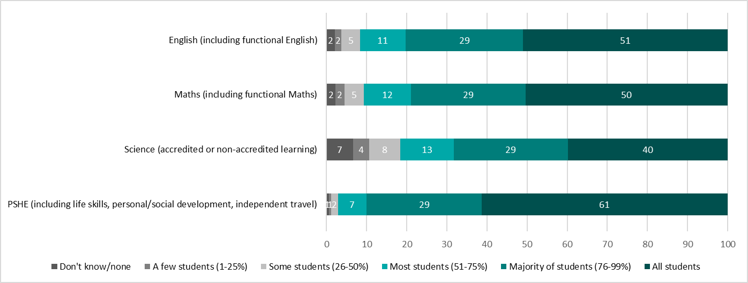
Gatsby Benchmark 4 - Linking curriculum learning to careers
Achievement of Gatsby Benchmark 4 sub benchmarks

Bars show percentage of special schools/AP achieving each sub benchmark in 2020/21 and 2021/22
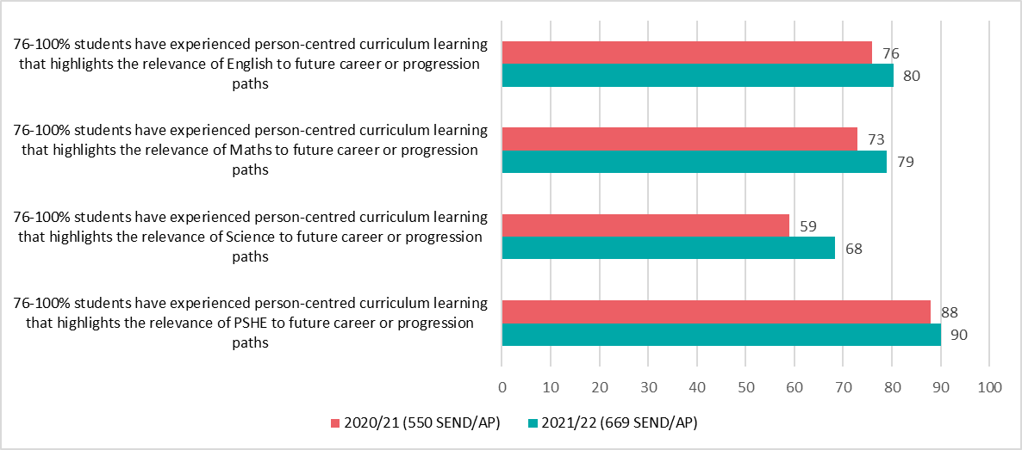

Approximate proportion of students who have experienced person-centred curriculum learning that highlights the relevance of subjects and programmes to future career or progression paths in 2020/21 and 2021/22
Numbers in the bars indicate percentage of special schools/AP in 2021/22

GB7
Gatsby Benchmark 7 - Encounters with further and higher education
Achievement of Gatsby Benchmark 7 sub benchmarks

Bars show percentage of special schools/AP achieving each sub benchmark in 2020/21 and 2021/22
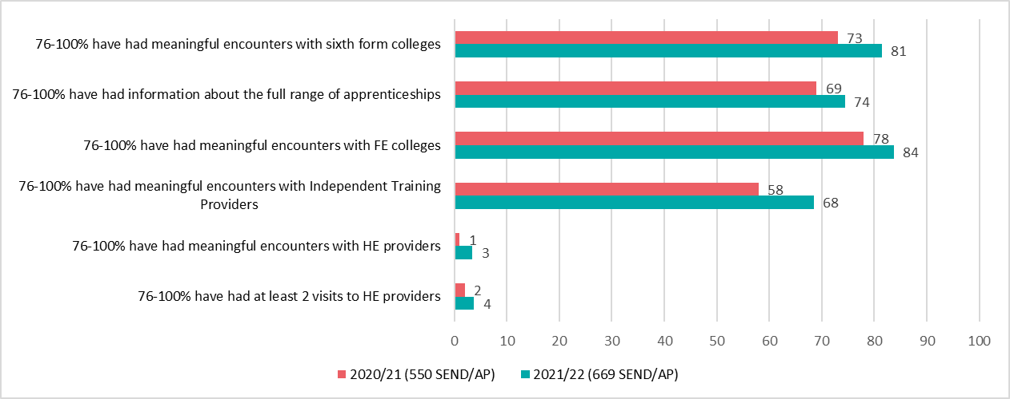

Proportion of students (for whom it is appropriate) who have been supported to have meaningful encounters with education providers by the time they leave school
Numbers in the bars indicate percentage of special schools/AP in 2021/22

Proportion of students (for whom it is appropriate) who have been supported to have information about the full range of supported internships, internships, traineeships and supported or inclusive apprenticeships, apprenticeships including higher level apprenticeships
Numbers in the bars indicate percentage of special schools/AP in 2021/22

